Charts-3-26 to 4-35
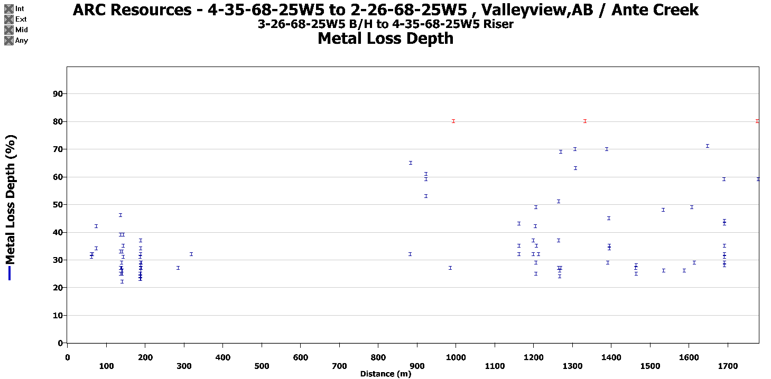
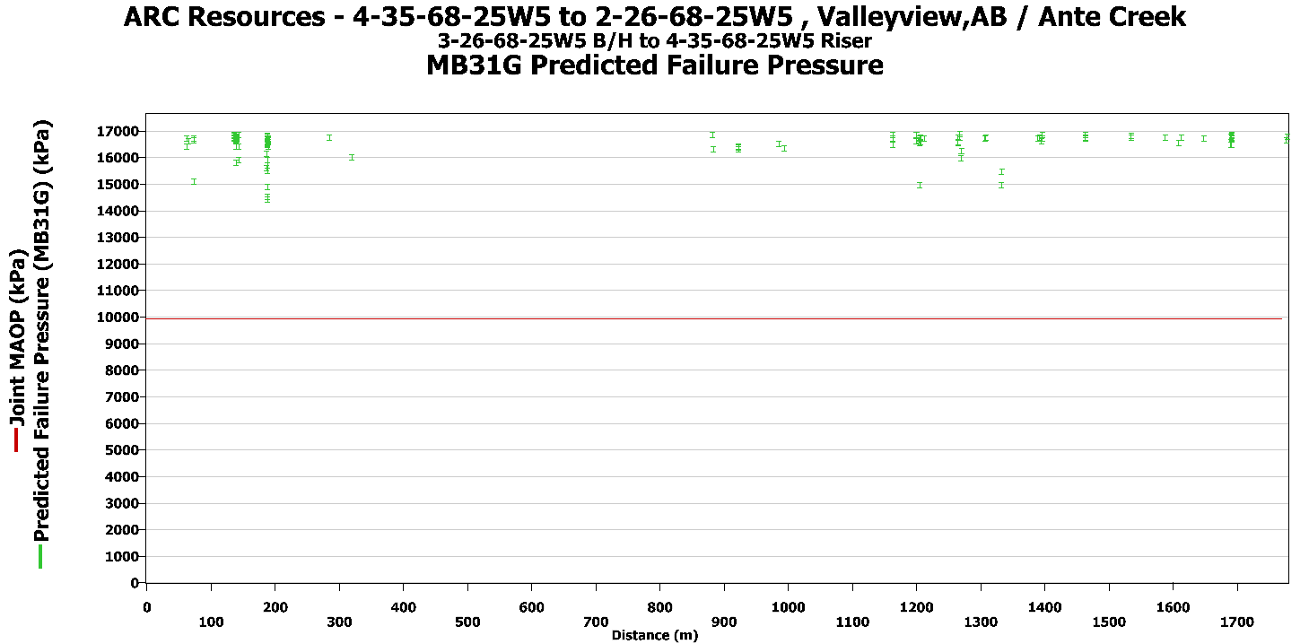
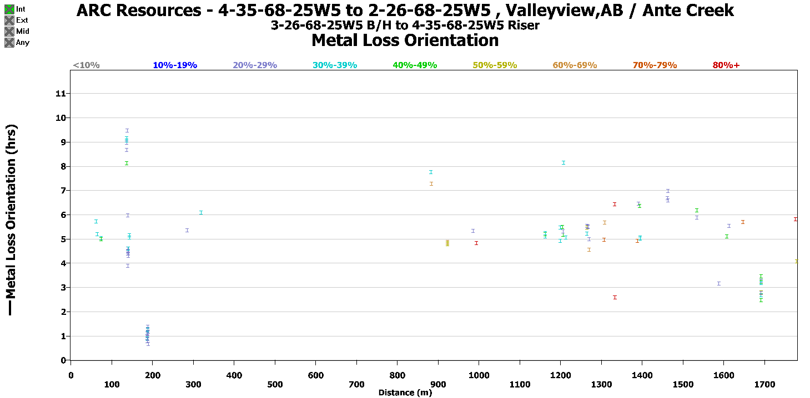
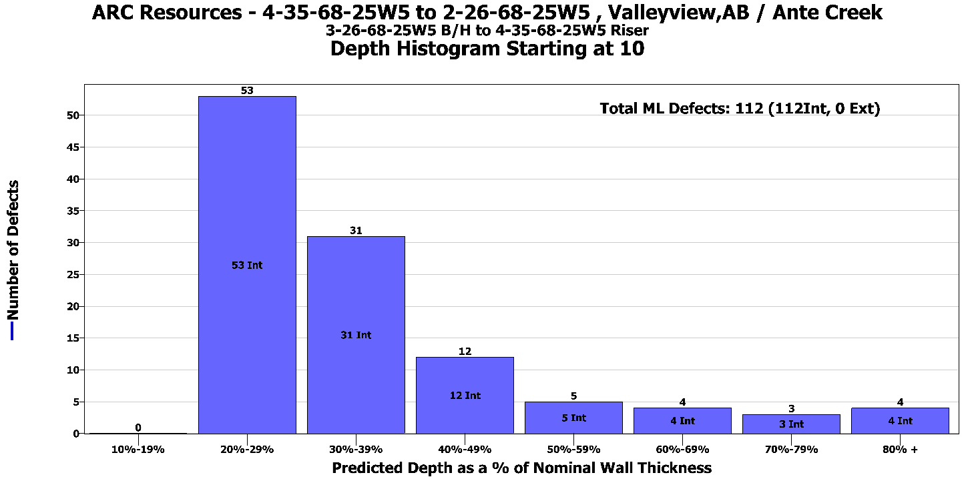
3-26-68-25W5 to 4-35-68-25W5

Verifications-3-26 to 4-35
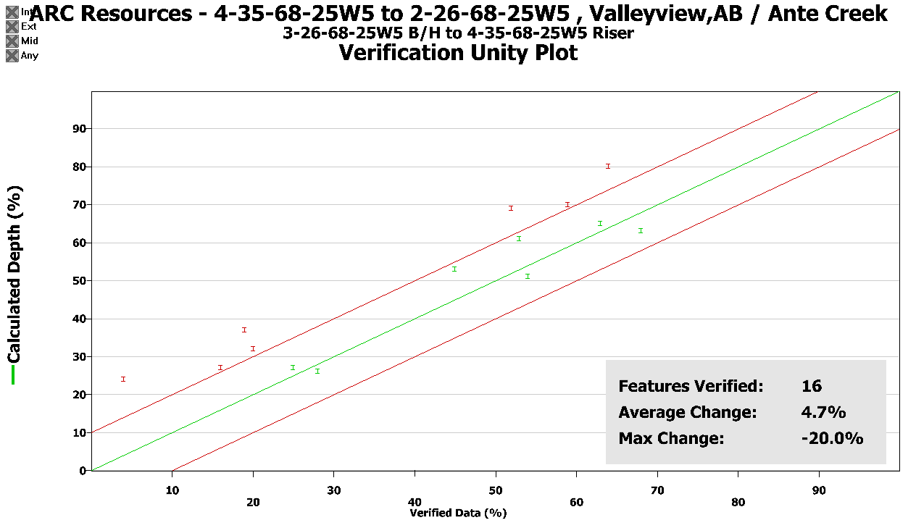
Verifications
Project No: |  | 180728-RL-T6A-A |  |  |  |  | Client: | ARC Resources
Pipeline Name: |  | 4-35-68-25W5 to 2-26-68-25W5 |  |  |  |  | Location: | ValleyviewAB / Ante Creek |  |  |  |  |  |  |  |  |  |  |  |  |  |  |  |  |  |  |  | Imported: | P:\Data\ARC Resources\2018\Valleyview\180729-RL-T6A- 3-26 to 4-35 (28312-6)\180729-RL-T6A -A- 3-26 to 4-35\Documents\Re-Grade\180729-RL-T6A-A_PipelineListing.csv
Run Date: |  | 29-Jul-18 |  |  |  |  | Pipeline Segment: | 3-26-68-25W5 to 4-35-68-25W5_Lic_28312-6 |  |  |  |  |  |  |  |  |  |  |  |  |  |  |  | Features: | 125
 |  |  |  |  |  |  |  |  |  |  |  |  |  |  |  |  |  |  |  |  |  |  |  | Joints: | 100
Joint Number | Feature Number | Cluster Number | Feature Type | Distance (m) | Joint Length (m) | Dist to US Girth Weld (m) | Dist to DS Girth Weld (m) | Length (mm) | Width (mm) | Depth (%) | Depth Measured (%) | Depth Measured (mm) | Difference Pred.-Meas. (%) | Length Measured (mm) | Width Measured (mm) | Int/Ext | Estimated Repair Factor (ERF) | Burst Pressure (kPa) | Wall Thick (mm) | Clock Position (hrs:min) | % of OD Restriction | Latitude (Dec Deg.) | Longitude (Dec Deg.) | Elevation (m) | US Girth Weld to US Marker (m) | US Girth Weld to DS Marker (m) | Notes
50 |  |  | Joint | 879.266 | 18.988 |  |  |  |  |  |  |  |  |  |  |  |  |  | 3.96 |  |  |  |  |  | 79.304 | 888.998
50 | 65 |  | Metal Loss | 883.237 | 18.988 | 3.971 | 15.017 | 4 | 10 | 32% | 20% | 0.79 | 12% | 2 | 2 | Internal | 0.589 | 16850 | 3.96 | 7:45:00 |  |  |  |  | 79.304 | 888.998 | Removed and Verified Oct 2018
50 | 66 |  | Metal Loss | 883.848 | 18.988 | 4.582 | 14.406 | 8 | 12 | 65% | 63% | 0.59 | 2% | 15 | 15 | Internal | 0.609 | 16316 | 3.96 | 7:16:00 |  |  |  |  | 79.304 | 888.998 | Removed and Verified Oct 2018
52 |  |  | Joint | 917.134 | 18.948 |  |  |  |  |  |  |  |  |  |  |  |  |  | 3.96 |  |  |  |  |  | 117.173 | 851.130
52 | 67 |  | Metal Loss | 923.915 | 18.948 | 6.781 | 12.167 | 10 | 6 | 53% | 45% | 0.40 | 8% | 10 | 5 | Internal | 0.609 | 16309 | 3.96 | 4:46:00 |  |  |  |  | 117.173 | 851.130 | Removed and Verified Oct 2018
52 | 68 | 70 | Metal Loss | 924.241 | 18.948 | 7.107 | 11.841 | 8 | 15 | 61% | 53% | 0.59 | 8% | 15 | 8 | Internal | 0.606 | 16388 | 3.96 | 4:51:00 |  |  |  |  | 117.173 | 851.130 | Removed and Verified Oct 2018
56 |  |  | Joint | 992.648 | 18.902 |  |  |  |  |  | x |  |  |  |  |  |  |  | 3.96 |  |  |  |  |  | 192.687 | 775.616
56 | 72 |  | Metal Loss | 995.414 | 18.902 | 2.766 | 16.135 | 6 | 9 | 80% | 64% | 2.53 | 16% | 6 | 5 | Internal | 0.608 | 16323 | 3.96 | 4:48:00 |  |  |  |  | 192.687 | 775.616 | Removed and Verified Oct 2018
71 |  |  | Joint | 1259.934 | 16.108 |  |  |  |  |  |  |  |  |  |  |  |  |  | 3.96 |  |  |  |  |  | 459.972 | 508.330
71 | 86 |  | Metal Loss | 1265.315 | 16.108 | 5.381 | 10.727 | 8 | 5 | 27% | 16% | 0.63 | 11% | 10 | 10 | Internal | 0.593 | 16753 | 3.96 | 5:31:00 |  |  |  |  | 459.972 | 508.330 | Removed and Verified Oct 2018
71 | 87 |  | Metal Loss | 1265.440 | 16.108 | 5.506 | 10.602 | 10 | 8 | 37% | 19% | 0.75 | 18% | 12 | 10 | Internal | 0.600 | 16562 | 3.96 | 5:12:00 |  |  |  |  | 459.972 | 508.330 | Removed and Verified Oct 2018
71 | 88 |  | Metal Loss | 1265.821 | 16.108 | 5.887 | 10.221 | 8 | 10 | 51% | 54% | 2.14 | -3% | 8 | 8 | Internal | 0.601 | 16532 | 3.96 | 5:27:00 |  |  |  |  | 459.972 | 508.330 | Removed and Verified Oct 2018
71 | 89 |  | Metal Loss | 1268.228 | 16.108 | 8.294 | 7.814 | 8 | 10 | 26% | 28% | 1.11 | -2% | 2 | 2 | Internal | 0.593 | 16759 | 3.96 | 5:29:00 |  |  |  |  | 459.972 | 508.330 | Removed and Verified Oct 2018
71 | 90 |  | Metal Loss | 1268.499 | 16.108 | 8.565 | 7.543 | 4 | 6 | 24% | 4% | 0.16 | 20% | 5 | 8 | Internal | 0.589 | 16864 | 3.96 | 5:30:00 |  |  |  |  | 459.972 | 508.330 | Removed and Verified Oct 2018
71 | 91 |  | Metal Loss | 1270.807 | 16.108 | 10.873 | 5.235 | 24 | 8 | 27% | 25% | 0.99 | 2% | 5 | 5 | Internal | 0.622 | 15973 | 3.96 | 4:58:00 |  |  |  |  | 459.972 | 508.330 | Removed and Verified Oct 2018
71 | 92 |  | Metal Loss | 1271.026 | 16.108 | 11.092 | 5.016 | 8 | 10 | 67% | 52% | 2.06 | 15% | 10 | 10 | Internal | 0.610 | 16276 | 3.96 | 4:32:00 |  |  |  |  | 459.972 | 508.330 | Removed and Verified Oct 2018
73 |  |  | Joint | 1294.996 | 18.946 |  |  |  |  |  |  |  |  |  |  |  |  |  | 3.96 |  |  |  |  |  | 495.035 | 473.268
73 | 93 |  | Metal Loss | 1307.716 | 18.946 | 12.720 | 6.226 | 4 | 8 | 70% | 59% | 2.34 | 11% | 2 | 2 | Internal | 0.594 | 16714 | 3.96 | 4:55:00 |  |  |  |  | 495.035 | 473.268 | Removed and Verified Oct 2018
73 | 94 |  | Metal Loss | 1308.638 | 18.946 | 13.642 | 5.304 | 4 | 3 | 63% | 68% | 2.69 | -5% | 2 | 2 | Internal | 0.593 | 16753 | 3.96 | 5:40:00 |  |  |  |  | 495.035 | 473.268 | Removed and Verified Oct 2018
75 |  |  | Joint | 1332.918 | 18.970 |  |  |  |  |  |  |  |  |  |  |  |  |  | 3.96 |  |  |  |  |  | 532.956 | 435.346
75 | 95 |  | Metal Loss | 1334.103 | 18.970 | 1.185 | 17.785 | 12 | 12 | 80% | 100% | 3.96 | -20% | 5 | 8 | Internal | 0.665 | 14943 | 3.96 | 2:34:00 |  |  |  |  | 532.956 | 435.346 | Removed and Verified Oct 2018
75 | 96 |  | Metal Loss | 1334.273 | 18.970 | 1.355 | 17.615 | 10 | 14 | 80% | 100% | 3.96 | -20% | 4 | 5 | Internal | 0.643 | 15453 | 3.96 | 6:25:00 |  |  |  |  | 532.956 | 435.346 | Removed and Verified Oct 2018

Charts-3-26 to 2-26
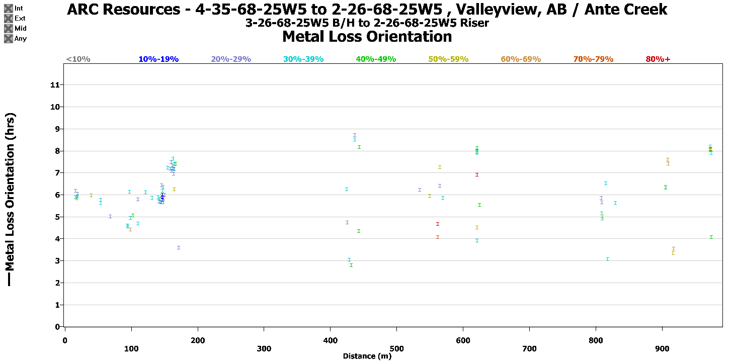
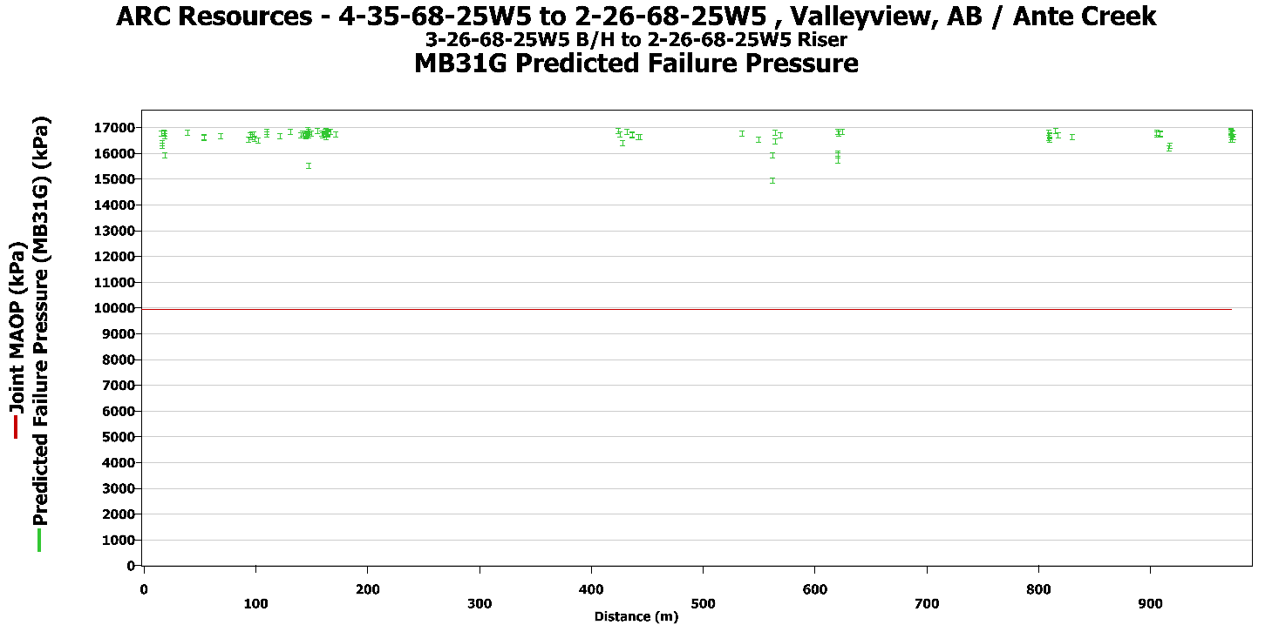
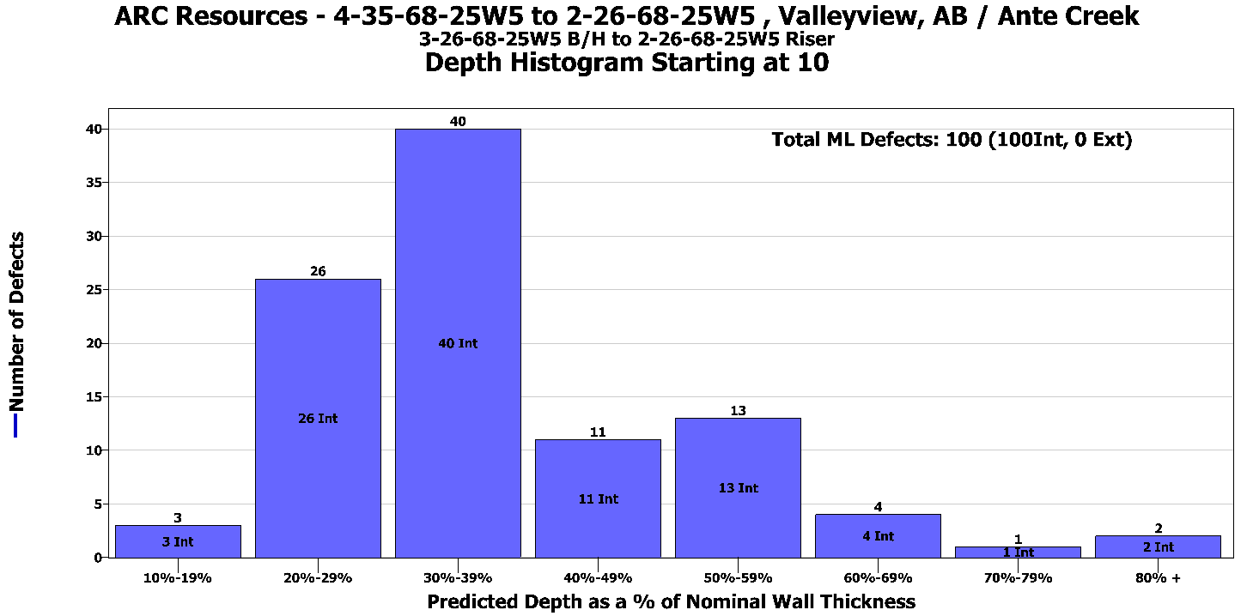
3-26-68-25W5 to 2-26-68-25W5

Verifications-3-26 to 2-26
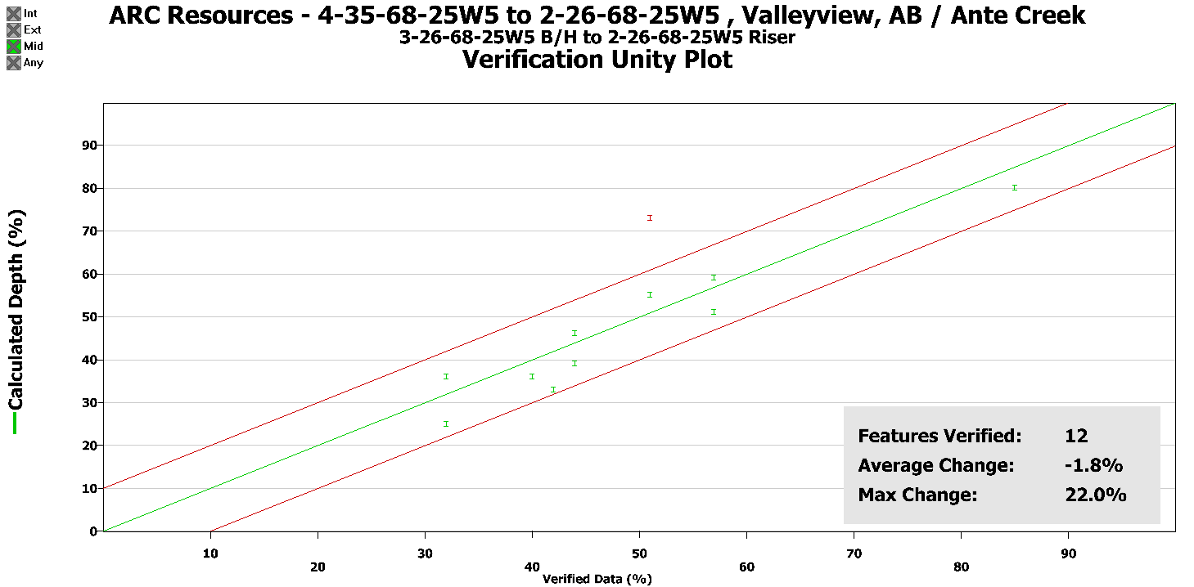
Verifications
Project No: |  | 180729-RL-T6A-B |  |  |  |  | Client: | ARC Resources
Pipeline Name: |  | 4-35-68-25W5 to 2-26-68-25W5 |  |  |  |  | Location: | Valleyview AB / Ante Creek |  |  |  |  |  |  |  |  |  |  |  |  |  |  |  |  |  |  |  |  |  |  |  |  | Imported: | P:\Data\ARC Resources\2018\Valleyview\180729-RL-T6A- 3-26 to 4-35 (28312-6)\180729-RL-T6A-B - 3-26 to 2-26\Documents\Re-Grade\180729-RL-T6A-B_PipelineListing.csv
Run Date: |  | 29-Jul-18 |  |  |  |  | Pipeline Segment: | 3-26-68-25W5 to 2-26-68-25W5_Lic_28312-6 |  |  |  |  |  |  |  |  |  |  |  |  |  |  |  |  |  |  |  |  | Features: | 109
 |  |  |  |  |  |  |  |  |  |  |  |  |  |  |  |  |  |  |  |  |  |  |  |  |  |  |  |  | Joints: | 54
Joint Number | Feature Number | Cluster Number | Feature Type | Distance (m) | Joint Length (m) | Dist to US Girth Weld (m) | Dist to DS Girth Weld (m) | Length (mm) | Width (mm) | Depth (%) | Depth Measured (%) | Depth Measured (mm) | Difference Pred.-Meas. (%) | Length Measured (mm) | Width Measured (mm) | Previous Depth (%) | Depth Diff (%) | Previous Distance (m) | Previous Joint Number | Previous Joint Distance (m) | Int/Ext | Estimated Repair Factor (ERF) | Burst Pressure (kPa) | Wall Thick (mm) | Clock Position (hrs:min) | % of OD Restriction | Latitude (Dec Deg.) | Longitude (Dec Deg.) | Elevation (m) | US Girth Weld to US Marker (m) | US Girth Weld to DS Marker (m) | Notes
30 |  |  | Joint | 546.542 | 18.884 |  |  |  |  |  |  |  |  |  |  |  |  |  |  |  |  |  |  | 3.96 |  |  |  |  |  | 546.542 | 444.810
30 | 67 |  | Metal Loss | 550.348 | 18.884 | 3.806 | 15.078 | 8 | 8 | 51% | 57% | 2.26 | -6% | 8 | 7 |  |  |  |  |  | Internal | 0.601 | 16532 | 3.96 | 5:56:00 |  |  |  |  | 546.542 | 444.810 | Removed and Verified Oct 2018
30 | 69 |  | Metal Loss | 562.738 | 18.884 | 16.196 | 2.688 | 8 | 13 | 80% | 100% | 3.96 | -20% | 7 | 6 |  |  |  |  |  | Internal | 0.624 | 15921 | 3.96 | 4:39:00 |  |  |  |  | 546.542 | 444.810 | Removed and Verified Oct 2018
30 | 70 |  | Metal Loss | 565.368 | 18.884 | 18.826 | 0.058 | 4 | 6 | 55% | 51% | 2.02 | 4% | 5 | 6 |  |  |  |  |  | Internal | 0.592 | 16787 | 3.96 | 7:15:00 |  |  |  |  | 546.542 | 444.810 | Removed and Verified Oct 2018
31 |  |  | Joint | 565.426 | 18.864 |  |  |  |  |  |  |  |  |  |  |  |  |  |  |  |  |  |  | 3.96 |  |  |  |  |  | 565.426 | 425.926
31 | 71 |  | Metal Loss | 565.458 | 18.864 | 0.032 | 18.832 | 16 | 6 | 25% | 33% | 1.31 | -8% | 2 | 2 |  |  |  |  |  | Internal | 0.604 | 16443 | 3.96 | 6:24:00 |  |  |  |  | 565.426 | 425.926 | Removed and Verified Oct 2018
31 | 72 |  | Metal Loss | 569.782 | 18.864 | 4.356 | 14.508 | 8 | 6 | 36% | 32% | 1.27 | 4% |  |  |  |  |  |  |  | Internal | 0.595 | 16684 | 3.96 | 5:50:00 |  |  |  |  | 565.426 | 425.926 | Verified at 32%
33 |  |  | Joint | 603.158 | 18.564 |  |  |  |  |  |  |  |  |  |  |  |  |  |  |  |  |  |  | 3.96 |  |  |  |  |  | 603.158 | 388.194
33 | 73 |  | Metal Loss | 621.514 | 18.564 | 18.356 | 0.208 | 20 | 6 | 33% | 42% | 1.66 | -9% | 2 | 2 |  |  |  |  |  | Internal | 0.621 | 15979 | 3.96 | 7:56:00 |  |  |  |  | 603.158 | 388.194 | Removed and October 2017. Verified at 42%
33 | 74 |  | Metal Loss | 621.518 | 18.564 | 18.360 | 0.204 | 8 | 21 | 80% | 85% | 3.37 | -5% | 10 | 8 |  |  |  |  |  | Internal | 0.624 | 15921 | 3.96 | 6:54:00 |  |  |  |  | 603.158 | 388.194 | Removed and verified October 2018. Verified at 85%
33 | 77 | 75 | Metal Loss | 621.544 | 18.564 | 18.386 | 0.178 | 4 | 6 | 39% | 44% | 1.74 | -5% | 2 | 2 |  |  |  |  |  | Internal | 0.590 | 16834 | 3.96 | 7:54:00 |  |  |  |  | 603.158 | 388.194 | Removed and Verified Oct 2018
33 | 78 |  | Metal Loss | 621.556 | 18.564 | 18.398 | 0.166 | 22 | 15 | 36% | 44% | 1.74 | -8% | 2 | 2 |  |  |  |  |  | Internal | 0.632 | 15714 | 3.96 | 3:54:00 |  |  |  |  | 603.158 | 388.194 | Removed and verified October 2017. Verified at 40%
33 | 79 |  | Metal Loss | 621.574 | 18.564 | 18.416 | 0.148 | 4 | 6 | 46% | 44% | 1.74 | 2% | 2 | 2 |  |  |  |  |  | Internal | 0.591 | 16816 | 3.96 | 8:00:00 |  |  |  |  | 603.158 | 388.194 | Verified and removed October 2018
33 | 80 |  | Metal Loss | 621.652 | 18.564 | 18.494 | 0.070 | 4 | 5 | 59% | 57% | 2.26 | 2% | 5 | 5 |  |  |  |  |  | Internal | 0.592 | 16771 | 3.96 | 4:29:00 |  |  |  |  | 603.158 | 388.194 | Verified and removed October 2018

ML v Elevation
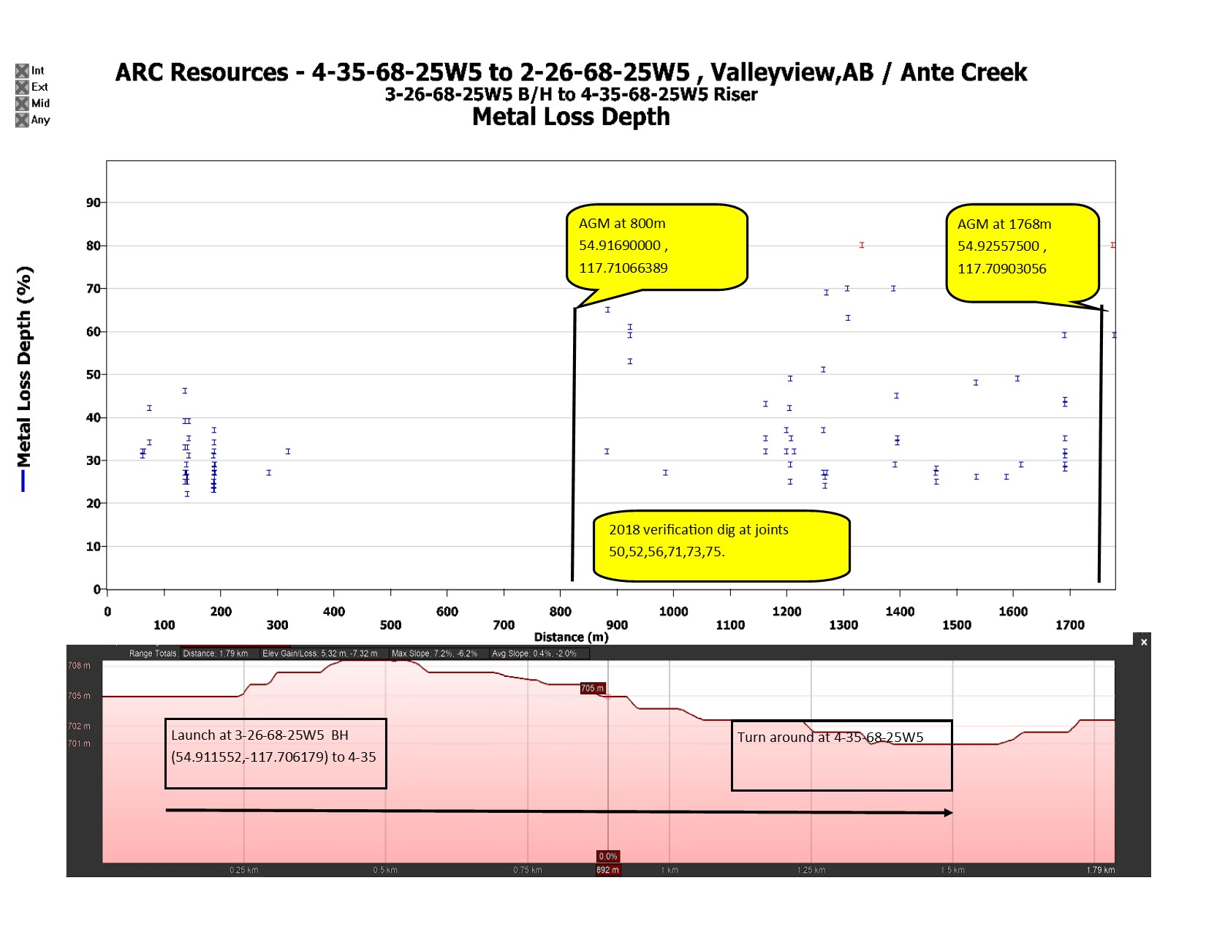
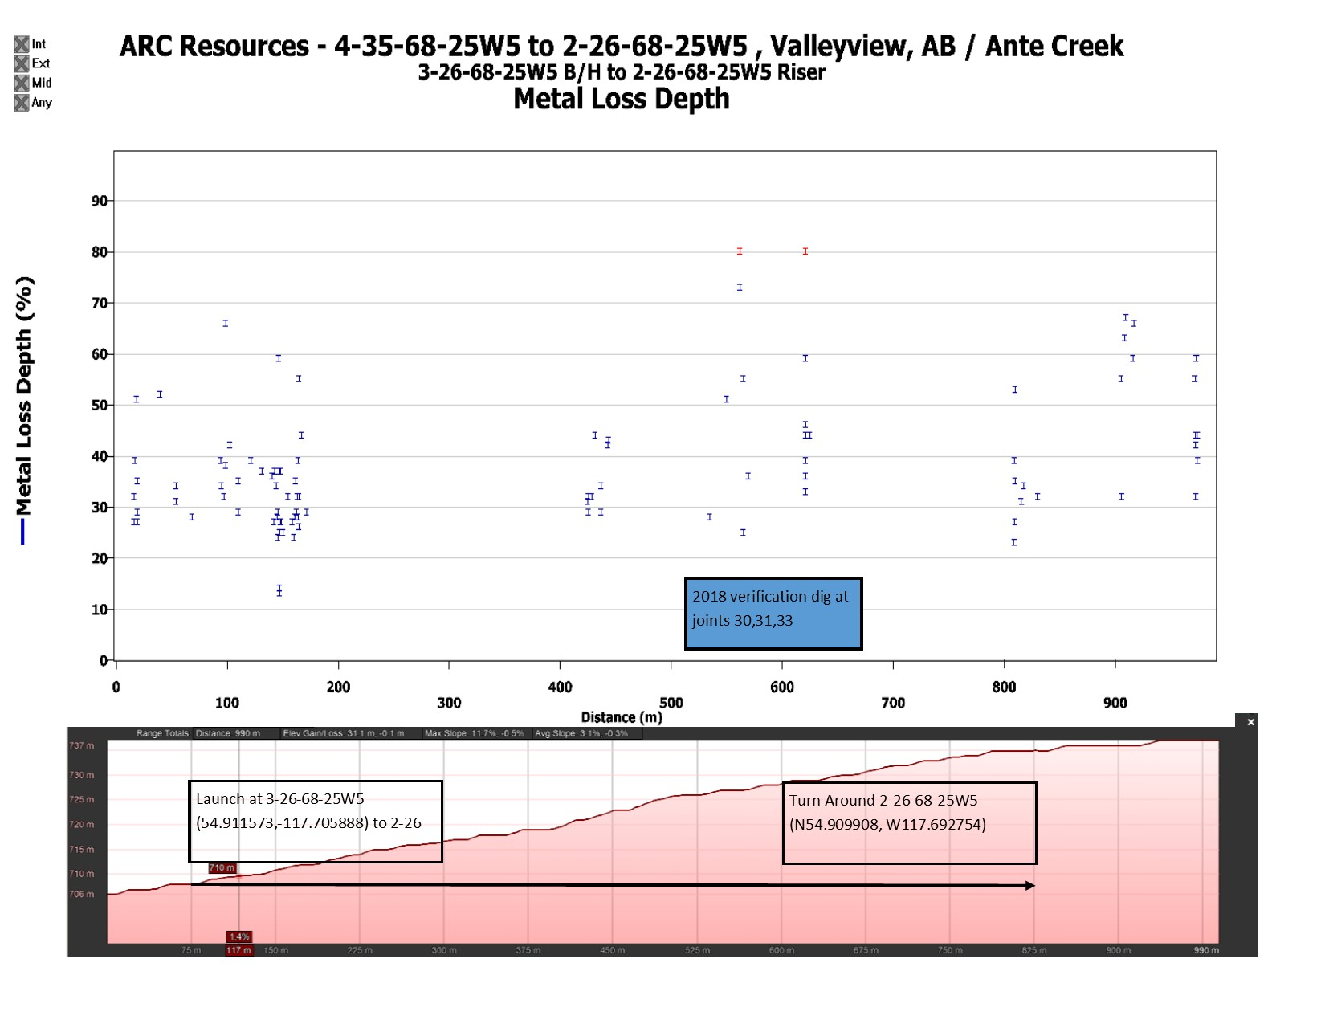
3-26-68-25W5 to 4-35-68-25W5 | 3-26-68-25W5 to 2-26-68-25W5

Google Earth Elevation Profile
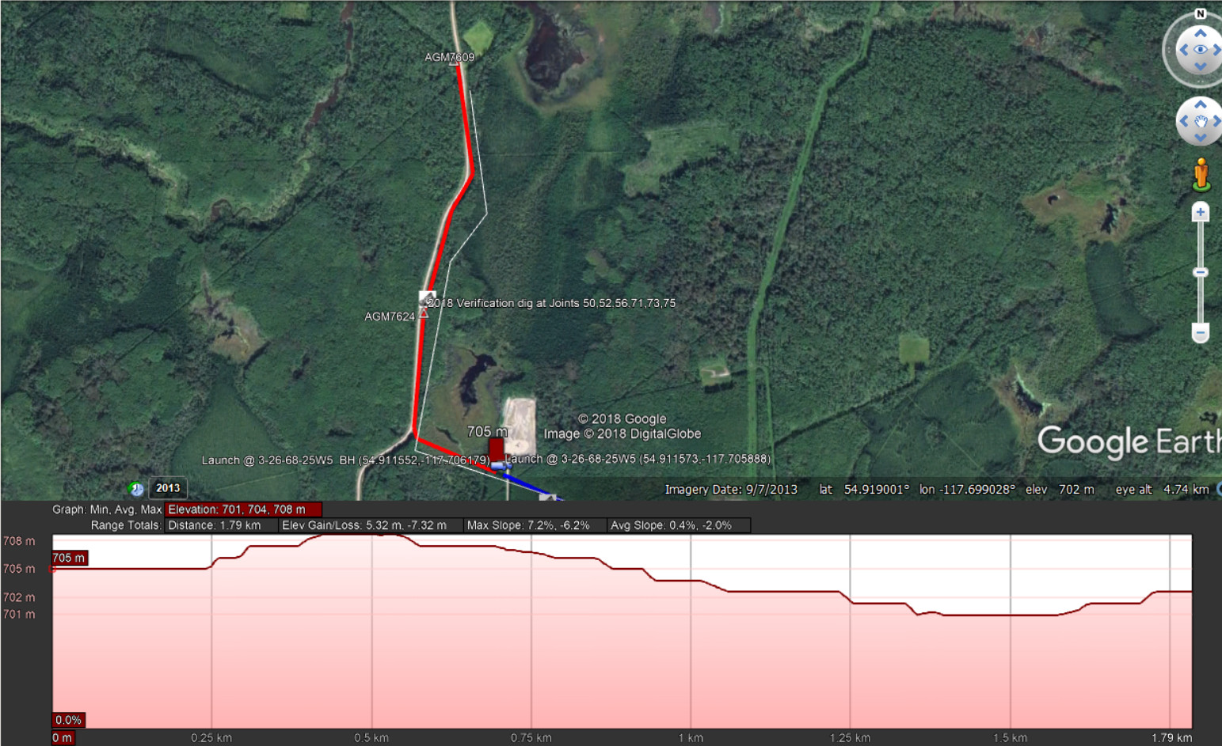
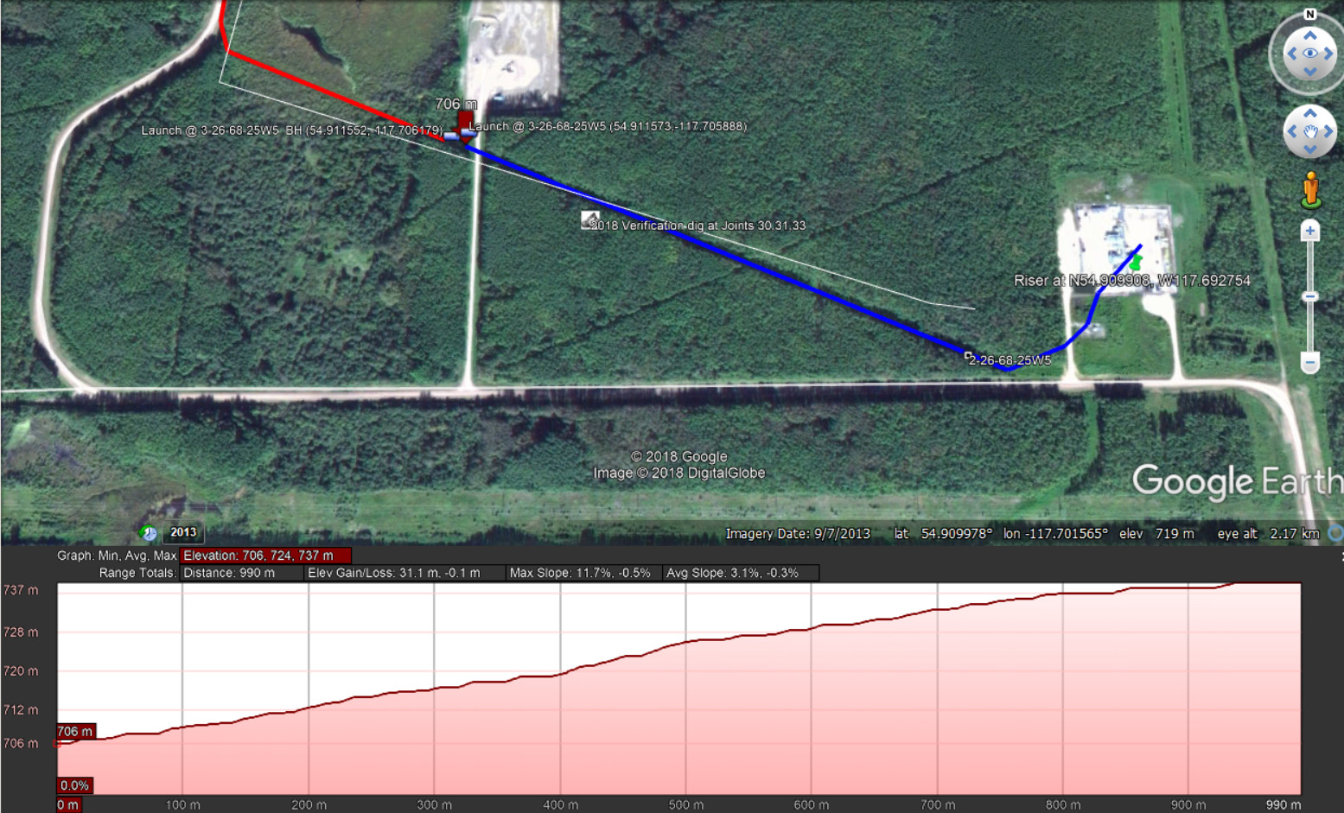
3-26-68-25W5 to 4-35-68-25W5 | 3-26-68-25W5 to 2-26-68-25W5

Google Earth Map
